Calculator
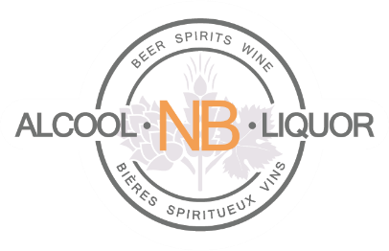 | Licensee Rebate Program Estimate Calculator

Any licensed establishment operating under an active, permanent license from the Department of Public Safety and who orders and pays through ANBL’s online system may be eligible to receive a rebate based on their purchases.
This calculator is designed to provide an estimate only of the potential rebate a licensed establishment may be entitled to.
To use this calculator, fill in the input fields with amounts you have recorderd as purchased from ANBL for each category and the caluclator will generate your possible annual rebate.

Input Fields shown below in yellow

Licensee Number | (optional)
Establishment name | (optional)

 | Annual Purchase Amount (before HST)
BEER |  | $- |  | 1%
WINE |  | $- |  | 5% | 7% | 10%
SPIRITS |  | $- |  | 5% | 7% | 10%
COOLERS & CIDER |  | $- |  | 1%
 | $0 | $- | Possible Annual Rebate

The Licensee Rebate Program calculator's use does not guarantee the amount of rebate a licensee will receive, nor does it guarantee that a licensee will be eligible to receive a rebate.

For more information visit our website www.anbl.com/licensees or contact us through e-mail at webinfo@anbl.com.

Last Updated: August 2020

